SC Definition & Diagrams
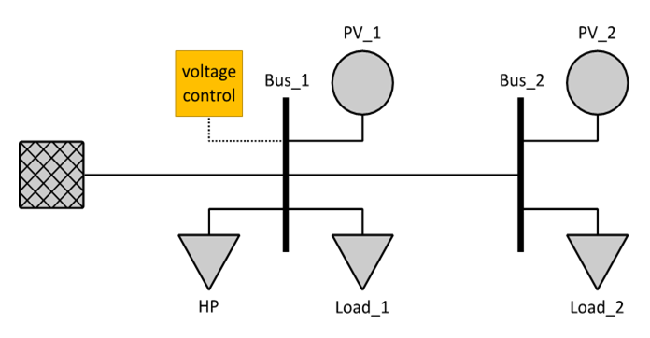
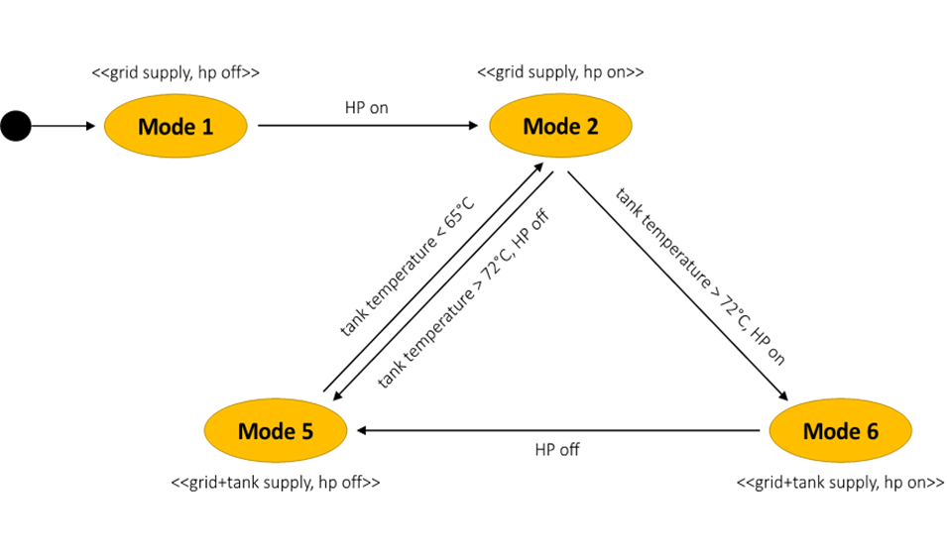
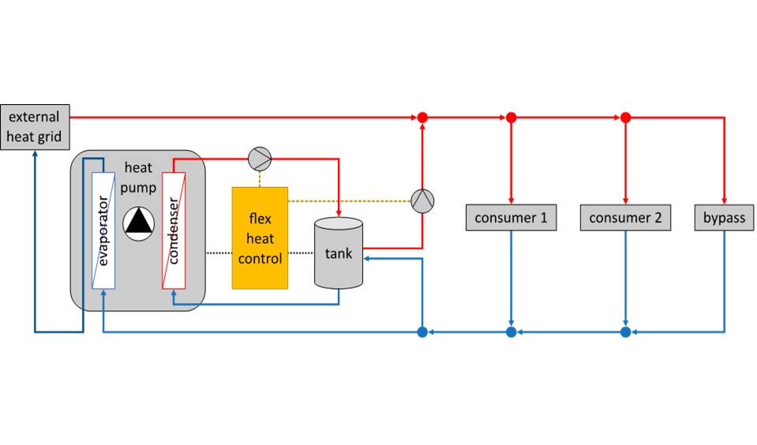
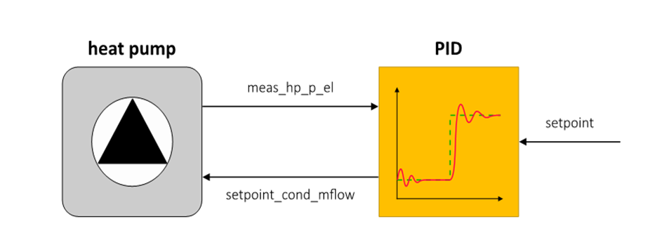
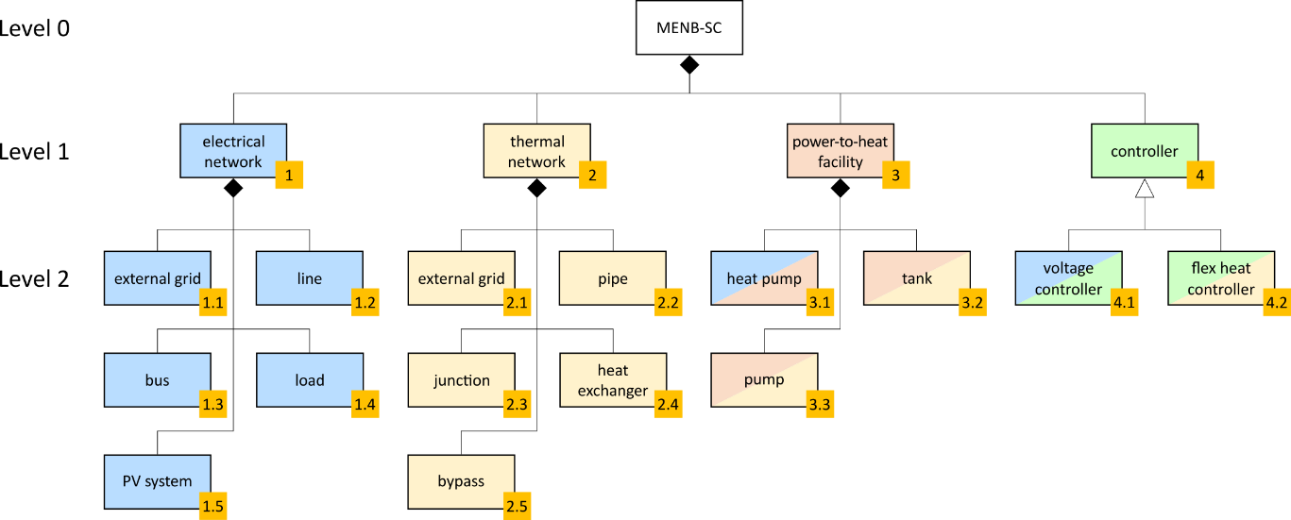
System Component List |  |  |  |  |  | System Illustrations
ID | Subs. # | Subsystem Name | Comp. # | Component Name | Description |  | System Breakdown Example | Function Examples
1.1 | 1 | Electrical Network | 1 | External grid | This element represents a connection to an external electrical grid supplying the local electrical distribution network.
1.2 | 1 | Electrical Network | 2 | Distribution line | This element represents a power line of an electrical distribution network.
1.3 | 1 | Electrical Network | 3 | bus | This element represents an electrical busbar used in substations for local power distribution.
1.4 | 1 | Electrical Network | 4 | load | This element represents a component of the electrical network that consumes (active) electric power.
1.5 | 1 | Electrical Network | 5 | PV system | This element represents a PV system comprising several PV panels.
2.1 | 2 | Thermal Network | 1 | External grid | This element represents a connection to an external higher-level thermal network supplying the local thermal network.
2.2 | 2 | Thermal Network | 2 | pipe | This element represents a straight pipe with constant cross section used to transport water within the thermal network.
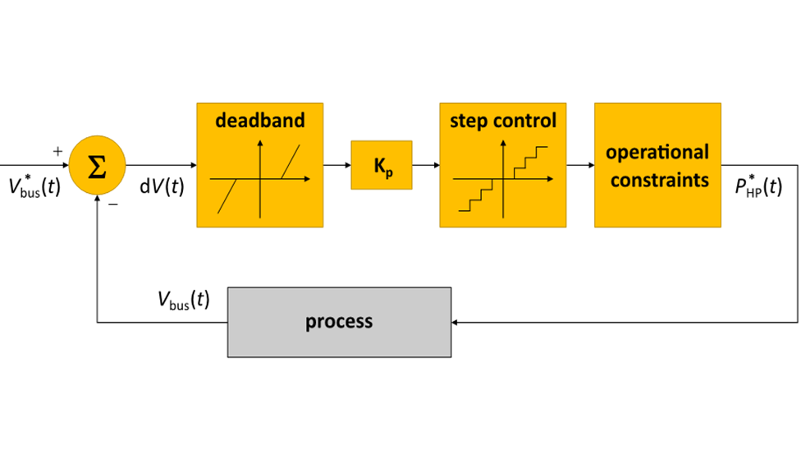
2.3 | 2 | Thermal Network | 3 | junction | This element represents a tee junction for connecting three pipes. |  | System Configuration Example
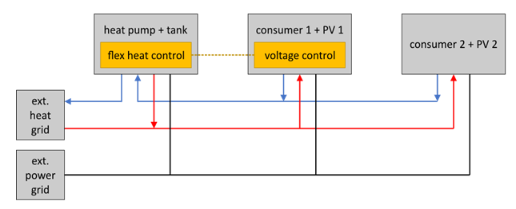
2.4 | 2 | Thermal Network | 4 | heat exchanger | This element represents a heat exchanger acting as an aggregated heat consumer in the thermal network.
2.5 | 2 | Thermal Network | 5 | bypass | This element represents the bypass of the thermal network.
3.1 | 3 | Thermal Network | 1 | heat pump | This element represents a heat pump with constant condenser output temperature.
3.2 | 3 | Power to Heat facility | 2 | tank | This element represents a stratified hot water storage tank.
3.3 | 3 | Power to Heat facility | 3 | pump | This element represents a water pump with prescribed mass flow rate.
4.1 | 4 | Controller | 1 | voltage controller | This element represents a voltage controller in the electrical distribution network.
4.2 | 4 | Controller | 2 | flex heat controller | This element represents a dedicated controller for operating the power-to-heat facility.

 |  |  |  |  |  |  | System Configuration Example (domain-specific)

